MindMap
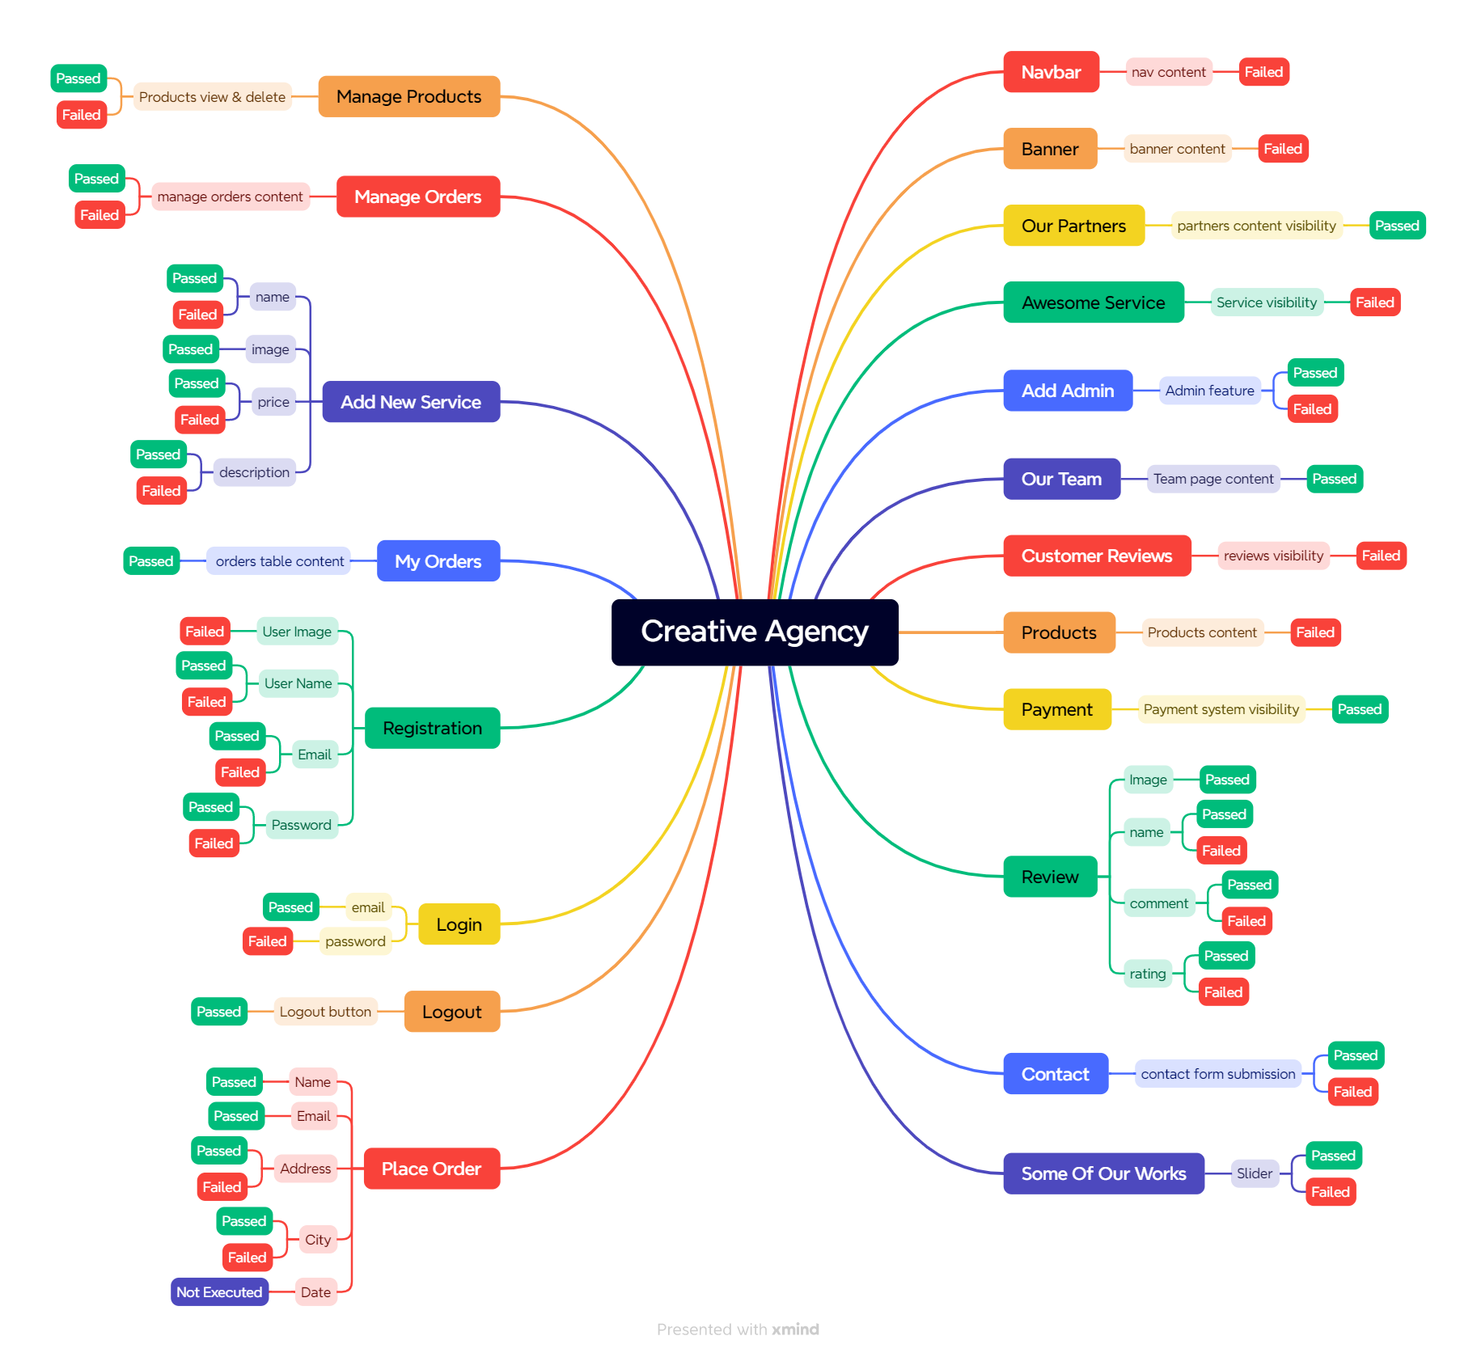
MINDMAP

Test Case Report
Test Case Report
Project Name | Creative Agency
Module Name | Home, Explore, Portfolio, User Dashboard, Admin Dashboard, Our Team, Registration, Login
Written By | Hasin Anjum Pabon
Executed By | Hasin Anjum Pabon
Reviewed By | Hasin Anjum Pabon

Test Execution Report
Test Case | Pass | Failed | Not Executed | Out Of Scope | Total Test Cases
 | 26 | 20 | 1 | 0 | 47
Grand Total | 26 | 20 | 1 | 0 | 47

Creative Agency Report

